Indices

 | Iraq Stock Exchange
 | Bulletin No (207)

 | ISX Trading Indices of Wednesday 19/11/2025

 | Traded Volume and OTC |  | 1,775,264,400 |  | Traded Value and OTC |  | 1,647,410,820 |  | Traders | 1038

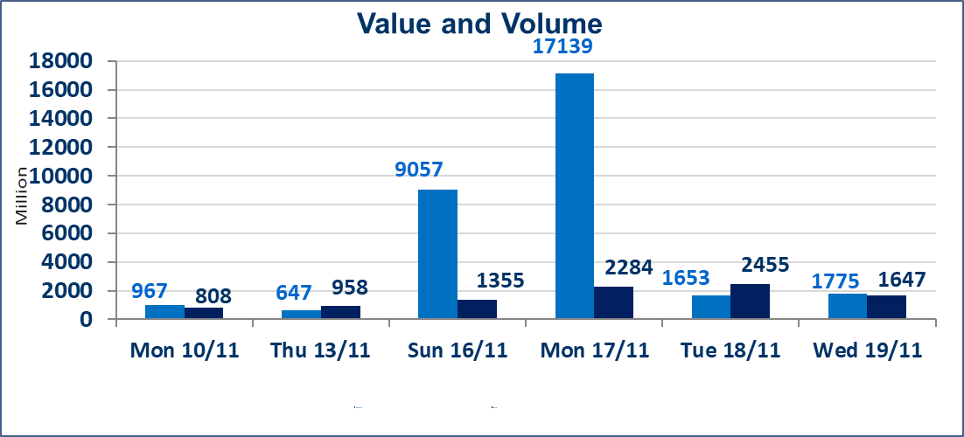
 | ISX Index 60 |  |  | 966.93 | ISX Index 15 |  |  | 1187.40
 | Previous ISX Index60 |  |  | 964.88 | Previous ISX Index15 |  |  | 1183.90
 | Change % |  |  | 0.21 | Change % |  |  | 0.30
 | Change |  |  | 2.05 | Change |  |  | 3.50

 | Listed Companies | 104 | OTC | 11 | Non Traded listed | 38 | OTC | 9
 | Traded Listed Companies | 46 | OTC | 1 | Higher Companies |  |  | 11
 | GAM Companies |  |  | 6 | Lower Companies |  |  | 21
 | Suspended Companies |  |  | 14
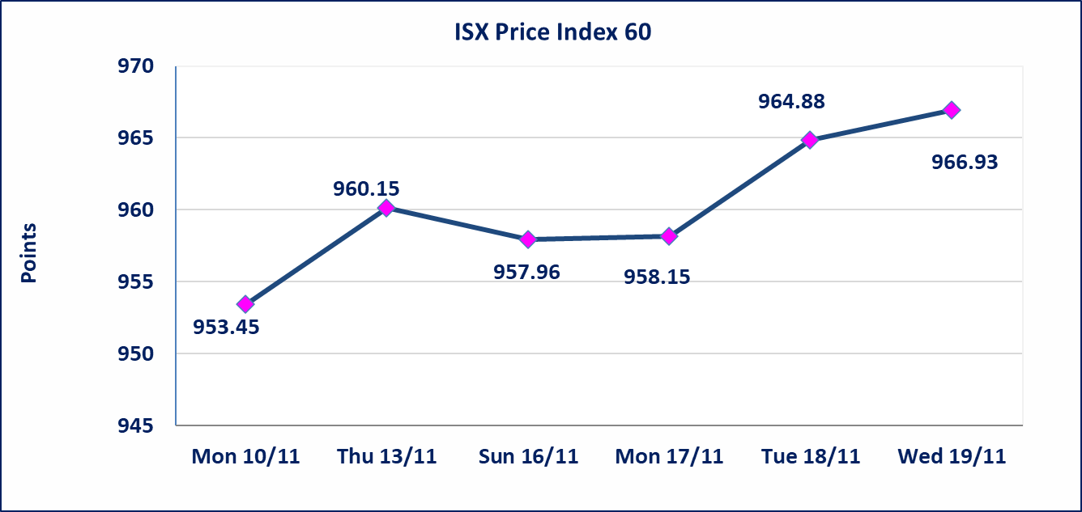
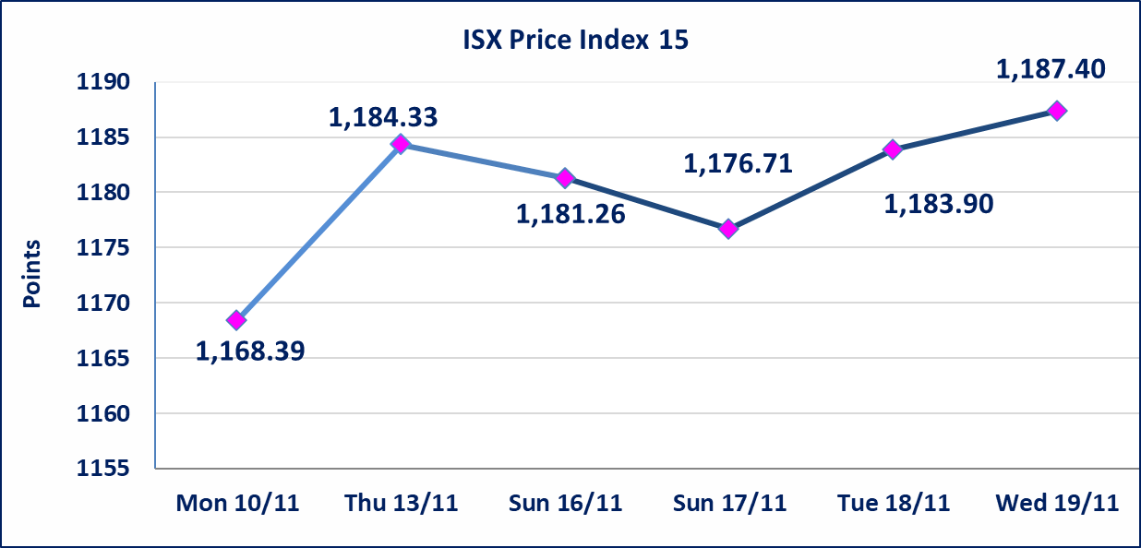

 | special orders | Al-Kasab Company executed a deliberate cross order on the shares of Asia Bank Iraq Company with a number of shares (959,500,000) shares with a value of (748,410,000) dinars, during the additional session time (after 1 pm) in accordance with the procedures for executing large transactions.
Al-Alwiya P.O . 3607 Mobile: 07711211522 - 07270094594 - 07834000034 E-mail: info-isx@isx-iq.net Web site:www.isx-iq.net

Top 5
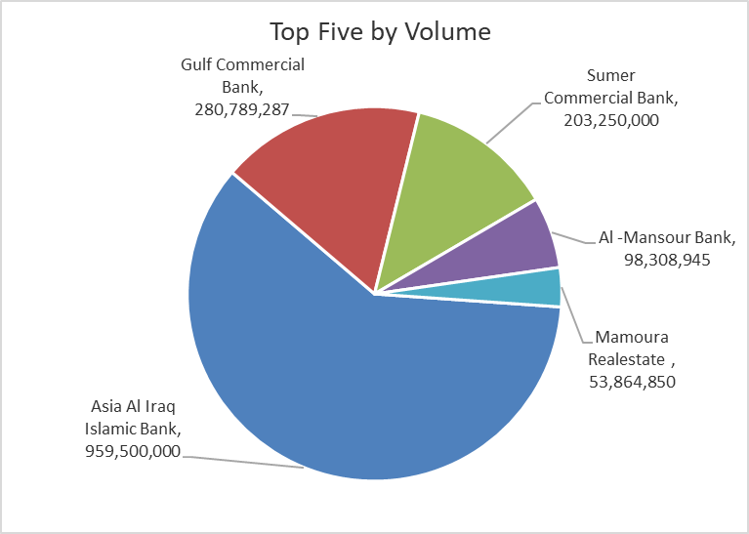
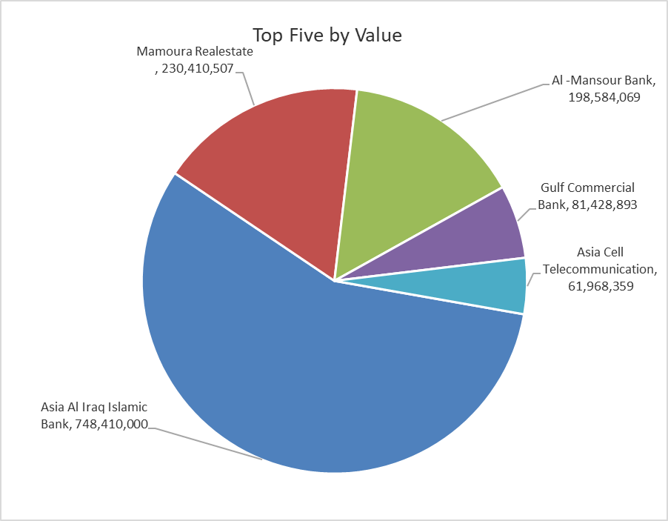
ISX top ganing and losing companies
Wednesday 19/11/2025
Gainers |  |  |  | Losers
Company Name | Closing Price | Change (%) | Traded Volume | Company Name | Closing Price | Change (%) | Traded Volume
Tourist Village of Mosul dam | 11.000 | 11.00 | 25,000 | Al-Ataa Islamic Bank | 0.090 | -10.00 | 11,013,702
Ready Made Clothes | 2.350 | 6.82 | 389,450 | Sumer Commercial Bank | 0.110 | -8.33 | 203,250,000
Investment Bank of Iraq | 0.210 | 5.00 | 7,437,465 | Iraqi Carton Manufactories | 2.000 | -6.98 | 12,000,020
Gulf Commercial Bank | 0.290 | 3.57 | 280,789,287 | Al-Ameen for Insurance | 0.950 | -5.00 | 1,042,314
Ashour Hotel | 29.000 | 3.57 | 72,021 | Mamoura Realestate | 4.000 | -4.76 | 53,864,850

The most active companies in term of traded volume and value

Traded Volume |  |  |  | Traded Value
Company Name | Closing Price | Change (%) | Traded Volume | Company Name | Closing Price | Change (%) | Traded Value
Asia Al Iraq Islamic Bank | 0.780 | 0.00 | 959,500,000 | Asia Al Iraq Islamic Bank | 0.780 | 0.00 | 748,410,000
Gulf Commercial Bank | 0.290 | 3.57 | 280,789,287 | Mamoura Realestate | 4.000 | -4.76 | 230,410,507
Sumer Commercial Bank | 0.110 | -8.33 | 203,250,000 | Al -Mansour Bank | 2.020 | 0.00 | 198,584,069
Al -Mansour Bank | 2.020 | 0.00 | 98,308,945 | Gulf Commercial Bank | 0.290 | 3.57 | 81,428,893
Mamoura Realestate | 4.000 | -4.76 | 53,864,850 | Asia Cell Telecommunication | 13.180 | -0.08 | 61,968,359

OTC

Iraq Stock Exchange

Wednesday 19/11/2025
OTC Platform Trading Bulletin No (207)
Company Name | Code | highest price | lowest price | Average price | No.of Trades | Traded Volume | Traded Value
Banks Sector
Al-Warka Bank | BWAI | 0.090 | 0.090 | 0.090 | 2 | 5,050,000 | 454,500
Total Of Banks Sector |  |  |  |  | 2 | 5,050,000 | 454,500
Total |  |  |  |  | 2 | 5,050,000 | 454,500

Not Trading OTC Companies
Company Name |  |  | Code |  | Previous Average price
Banks Sector
Al-Sanam Islamic Bank |  |  | BSAN |  | 3.000
Hammurabi Commercial Bank |  |  | BHAM |  | ـــــــــــــــــــــــــــــــــــ
Money Service Sector
Rabee Securities |  |  | FRSE |  | 9.500
Karmal Brokerage |  |  | FKSX |  | 10.000
Ishtar Gate for e-Paymant |  |  | FISH |  | 1.000
Sama Baghdad Exchange |  |  | FSBE |  | ـــــــــــــــــــــــــــــــــــ
Iraqi Deposit Insurance Corporation |  |  | FIDI |  | ـــــــــــــــــــــــــــــــــــ
Insurance Sector
Shatt Al Arab Insurance |  |  | NSHA |  | 1.000
Dilina Insurance Company |  |  | NDIL |  | ـــــــــــــــــــــــــــــــــــ

Non OTC

Iraq Stock Exchange
Non Iraqis' Bulletin Wednesday NOV 19 2025
Regular Market

Non Iraqi Trading of OTC (Sell)
Company Names | Code | No.of trades | Traded Shares | Trading Volume
Banks Sector
Warka Bank for inv.&Finance | BWAI | 1 | 5000000 | 450000
Total Bank sector |  | 1 | 5000000 | 450000
Grand Total |  | 1 | 5000000 | 450000

